Instructions
Simple Kanban Exercise v1.0

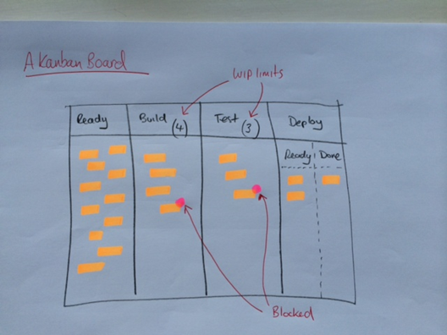
Ref. | Start state | Build Effort Required | Build effort already done | Test Effort Required | Test effort already done | Value to the customer
1 | in ready | 3 |  | 3 |  | 60 | WIP limits
2 | in ready | 4 |  | 3 |  | 40 | Build | 4
3 | in ready | 5 |  | 3 |  | 40 | Test | 2
4 | in ready | 4 |  | 4 |  | 60 | Deploy (Ready) | 3 | can be used if desired?
5 | in ready | 3 |  | 2 |  | 40
6 | in ready | 4 |  | 2 |  | 30
7 | in ready | 5 |  | 5 |  | 60 | Game adjustments
8 | in ready | 7 |  | 2 |  | 50 | Introduce ticket F on Day 10 - saying this is top priority
9 | in ready | 6 |  | 4 |  | 80 | Reduce the WIP on Build to 3 on day 15 - see if it has any effect?
10 | in ready | 4 |  | 5 |  | 50 | place a coin or token on a ticket and say 'it is blocked' (max 2 days)
A | in build | 4 | 2 | 2 |  | 30
B | in build | 3 | 2 | 3 |  | 30 | …perhaps...
C | in build | 4 | 2 | 3 |  | 20 | Allow deployment every day from day 15
D | in test | 5 | 5 | 2 | 1 | 40
E | in deploy (ready) | 4 | 4 | 2 | 2 | 40
F | used mid game (expedite) | 4 |  | 4 |  | 60

Guidance
Tickets 1 to 10 go in the ready column and appear in the CFD
Tickets A to E go into the other 3 columns and appear on the CFD
Deployment can only happen on on even numbered days
The game starts on day 5 - roll the dice and start moving tickets
Two dice are thrown and the highest scoring die indicates how much effort is acheieved that day
The lowest scoring die is discarded (this is done to make the effort amount more even)
The score thrown can be applied to 'test' work or 'build' work or both
These points are applied to the effort scores not yet 'done' |  |  |  |  |  |  | Capacity Data
Can be done using mini-postits, index cards or pre-laminated cards |  |  |  |  |  |  | Total new build effort |  |  | 50 | not including F
Column headings are as shown in the diagram |  |  |  |  |  |  | Total new test effort |  |  | 42 | not including F | This means that TEST will be where the 'bottleneck' is
CFD is updated after every day |  |  |  |  |  |  | Total value |  |  | 670

Worked Example
Value Delivered
 |  |  |  | Deploy |  | Value | Dice |  | Check | WIP | Lead Time
Day | Ready | Build | Test | Ready | Deployed | Delivered | Score
5 | 8 | 4 | 2 | 1 | 0 | 0 | 6 |  | 15 | 7
6 | 7 | 4 | 1 | 0 | 3 | 140 | 5 |  | 15 | 5
7 | 5 | 4 | 2 | 1 | 3 | 140 | 6 |  | 15 | 7
8 | 4 | 4 | 2 | 0 | 5 | 210 | 6 |  | 15 | 6
9 | 4 | 3 | 2 | 1 | 5 | 210 | 5 |  | 15 | 6
10 | 4 | 4 | 1 | 0 | 7 | 260 | 6 | Expedite ticket introduced | 16 | 5
11 | 4 | 3 | 2 | 0 | 7 | 260 | 4 |  | 16 | 5
12 | 4 | 3 | 1 | 0 | 8 | 320 | 2 |  | 16 | 4
13 | 3 | 4 | 1 | 0 | 8 | 320 | 6 | WIP limit (build) made 3 | 16 | 5
14 | 3 | 4 | 1 | 0 | 8 | 320 | 2 |  | 16 | 5
15 | 3 | 3 | 1 | 1 | 8 | 320 | 3 |  | 16 | 5
16 | 3 | 3 | 0 | 0 | 10 | 450 | 5 |  | 16 | 3
17 | 3 | 2 | 1 | 0 | 10 | 450 | 2 |  | 16 | 3
18 | 3 | 2 | 0 | 0 | 11 | 510 | 3 |  | 16 | 2
19 | 3 | 1 | 0 | 1 | 11 | 510 | 4 |  | 16 | 2
20 | 3 | 0 | 1 | 0 | 12 | 550 | 5 |  | 16 | 1
 |  |  |  |  |  |  | 70 | average | 4.4
Tickets in each column - may not represent exactly the data on the first sheet

